MARKOV E MTTF
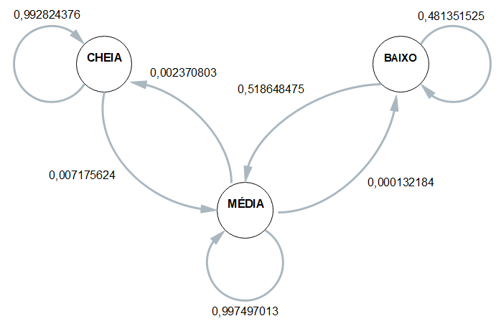
 | ESP1 | ESP2 | ESP3 | ESP4 | MÉDIA
CC | 0.99137931034 | 0.99428571429 | 0.99350649351 | 0.99212598425 | 0.9928243756
CM | 0.0086206896552 | 0.0057142857143 | 0.0064935064935 | 0.007874015748 | 0.0071756244027
CB | 0 | 0 | 0 | 0 | 0
 | 1 | 1 | 1 | 1 | 1
MC | 0.0033531080733 | 0.00053283601971 | 0.0025346851654 | 0.0030625832224 | 0.0023708031202
MM | 0.99651792623 | 0.99933395498 | 0.99733191035 | 0.99680426099 | 0.99749701314
MB | 0.00012896569513 | 0.00013320900493 | 0.00013340448239 | 0.00013315579228 | 0.00013218374368
 | 1 | 1 | 1 | 1 | 1
BC | 0 | 0 | 0 | 0 | 0
BM | 0.57647058824 | 0.54963680387 | 0.49015317287 | 0.45833333333 | 0.51864847458
BB | 0.42352941176 | 0.45036319613 | 0.50984682713 | 0.54166666667 | 0.48135152542

 | Esp1 | Esp2 | Esp3 | Esp4 |  | média
Hora Inicial | 10:47:19 | 10:53:51 | 11:01:09 | 11:06:27 |  | 10:57:11
Hora Limite 2,8 | 20:37:30 | 20:29:56 | 20:34:50 | 20:39:09 |  | 20:35:21
Hora final | 20:56:37 | 21:00:54 | 21:09:06 | 21:13:21 | MTTF | 21:05:00
total de horas até 2,8 | 9:50:11 | 9:36:05 | 9:33:41 | 9:32:42 | 9:38:10 | 9:38:10

